High Level Data
 | 0
PTHV Monthly Totals |  |  |  |  |  |  | PTHV Monthly Cumulative |  |  |  |  |  |  | Network Progress Toward Goal |  | *Does not include individual summer visits or charter partners
 | SY 14-15 | SY 15-16 | SY 16-17 | SY 17-18 | SY 18-19 | Difference from SY 17-18 to SY 18-19 |  | SY 14-15 | SY 15-16 | SY16-17 | SY17-18 | SY 18-19 | Difference from SY 17-18 to SY 18-19 |  |  | Network goal SY 18-19 | Running Totals for SY 18-19 | % Progress Towards Goal
June |  |  | 221 | 13 | 0 | -13.00 | June |  |  | 221 | 13 | 0 | -13 |  | ES1 | 2209 | 795 | 35.99%
July | 27 | 117 | 187 | 573 | 453 | -120.00 | July | 27 | 117 | 408 | 586 | 453 | -133 |  | ES 2 | 3288 | 1525 | 46.38%
August | 501 | 1025 | 1619 | 1273 | 917 | -356.00 | August | 528 | 1142 | 2027 | 1859 | 1370 | -489 |  | ES 3 | 1482 | 697 | 47.03%
September | 996 | 1500 | 1843 | 2631 | 1839 | -792.00 | September | 1524 | 2642 | 3870 | 4490 | 3209 | -1281 |  | ES 4 | 1791 | 738 | 41.21%
October | 976 | 1074 | 1304 | 1556 | 1117 | -439.00 | October | 2500 | 3716 | 5174 | 6046 | 4326 | -1720 |  | ES 5 | 870 | 400 | 45.98%
November | 596 | 781 | 1103 | 828 | 728 | -100.00 | November | 3096 | 4497 | 6277 | 6874 | 5054 | -1820 |  | ES 6 | 1355 | 550 | 40.59%
December | 491 | 441 | 467 | 625 | 514 | -111.00 | December | 3587 | 4938 | 6744 | 7499 | 5568 | -1931 |  | ES 7 | 765 | 461 | 60.26%
 |  |  |  | 541 |  |  |  |  |  |  |  |  | 0 |  | HS | 795 | 309 | 38.87%
January | 397 | 649 | 420 | 541 | 249 | -292.00 | January | 3984 | 5587 | 7164 | 8040 | 5817 | -2223 |  | HSP | 605 | 40 | 6.61%
February | 502 | 866 | 787 | 780 |  | -780.00 | February | 4486 | 6453 | 7951 | 8820 |  | -8820 |  | MS | 470 | 41 | 8.72%
March | 564 | 1716 | 1512 | 1011 |  | -1,011.00 | March | 5050 | 8169 | 9463 | 9831 |  | -9831 |  | CHA | 246 | 5 | 2.03%
April | 697 | 775 | 729 | 676 |  | -676.00 | April | 5747 | 8944 | 10192 | 10507 |  | -10507 |  | LLN | 105 | 37 | 35.24%
May | 432 | 409 | 504 | 581 |  | -581.00 | May | 6179 | 9353 | 10696 | 11088 |  | -11088 |  | IMO | 85 | 1 | 1.18%
June | 6 | 16 | 18 | 239 |  | -239.00 | June | 6185 | 9369 | 11026 | 11327 |  | -11327 |  | ECHS | 680 | 37 | 5.44%
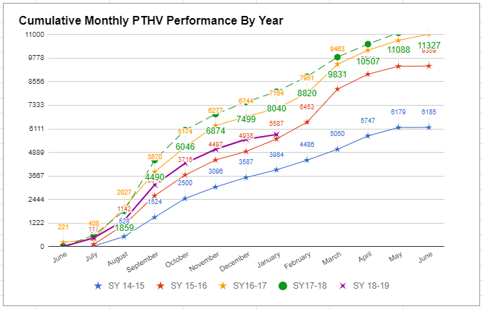
 |  |  |  |  |  |  |  |  |  |  |  |  |  |  | 2018-06-12 | 595 | 179 | 30.08%
 |  |  |  |  |  |  |  |  |  |  |  |  |  |  | NDIZ | 130 | 2 | 1.54%
 |  |  |  |  |  |  |  |  |  |  |  |  |  |  | TOTALS | 15471 | 5817 | 37.60%
 | 6185 | 9369 | 10493 | 11327 | 5817 | -5,510.00
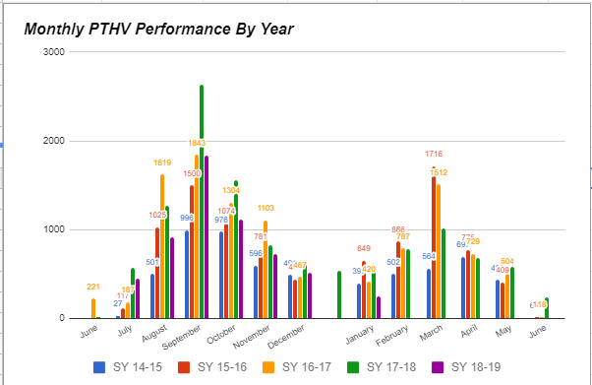
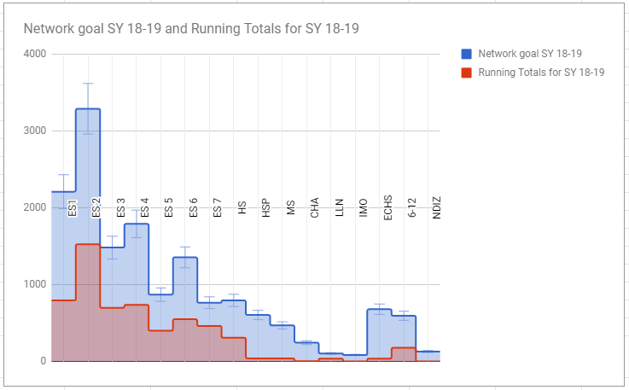
 |  |  |  | Goal | 12,000 | -1,673.00

 | Exceeded Goal (more than 100%) | Within Range of Goal (btwn 90 - 99%) | Approaching Goal (btwn 70 - 89%) |  |  | Not Approaching Goal (less than 70%)
Percent of Schools | 34% | 4% | 35% |  |  | 27%

Number of Schools | 26 | 3 | 27 |  |  | 21

